1. Title Page
[Instacart Grocery Basket Analysis ]

Project Name: Instacart Grocery Basket Analysis
Date: 06/23/2023
Analyst Name: Arjun Prakash

Contents:
Population Flow
Consistency checks
Wrangling steps
Column derivations
Visualizations
Recommendations

2. Population Flow
Title page

Population flow

Exclusion flag
Condition: max_order < 5
Obervations to be removed: 1440295
Final total count of order_products_all: 30964564

Orders_products_combined
Orders_products_merged
Orders_products_all

Total: 32404859
Total: 32434489
Total: 32404859

1.) The grey boxes in the first row of the population flow represent the original data sets as they were when you downloaded them. In the Total fields you need to add the count of the rows when you imported the data set into Jupyter.
2.) The second row of boxes (coloured) represents the data sets after you manipulated them, e.g., removed missing values and duplicates. In the Total fields you need to add the count of the rows after conducting these operations. This offers a visual oveview of how the data flows throughout the data consistency checks.
3.) The third row, where also the arrows are coloured, represents the merges you performed between the datasets. In the Total fields you need to add the count of the rows in the merged datasets, so that you end up with the final dataset (in the red box). Keep in mind the final dataset should be without exclusions (based on the exclusion flag).

3. Consistency checks
 |  |  |  | Title page
Consistency checks

Dataset | Missing values | Missing values treatment | Duplicates
orders | There are 206209 Missing Values in the 'Days Since Last Order' column of the Orders data set | No change performed. The null value signifies that the days_since_last_order for the first order which makes correct sense. This does give an understanding of the reasoning behind having missing values in the dataset which makes sense. | There are no duplicate values found in the Orders dataset.
products | 16 rows in the Product name. | These NaN values of the Product name are dropped from the original dataset. | 5 Duplicate rows are found.
orders_products_prior | No Missing Values | None | No Duplicates found.
customers | No Missing Values | None | No Duplicates found.

4. Wrangling steps
 |  |  |  |  | Title page
Wrangling steps

Data Frame | Columns dropped | Columns renamed | Columns' type changed | Comment/Reason
Orders (df_ords) | eval_set | order_dow' to 'order_day_of_week' | order_id from int64 to string | The datatype was changed to string since the integer value of the order_id was not of any significance.

Customers(customers) | None | Surnam': 'Surname', 'n_dependants':'Num_of_dependents' ,'fam_status':'Marital Status' | user_id from int64 to String | Columns were renamed logically as per the actual names within the dataset. The user_id values does not represent any important value, hence it is converted to Object datatype. It also helped with the MemoryError of Jupyter Notebook.

Merged dataset(instacart_with_customers) | first_name, last_name, _merge, prior_order_median | None | order_day_of_week' from int64 to ('int8') 'order_hour_of_day'] from int64 to ('int8') 'reordered' from int64 to 'int8' 'max_order' from int64 to 'int8' 'order_number' from int64 to int16' ['age'] from int64 to 'int8' 'days_since_last_order' from float64 to 'float16' 'number_dependents' from int64 to 'int8' | The columns dropped were for PII security concerns and for resolving MemoryError to export the final dataframe. The datatypes of the columns were done to resolve MemoryError.

5. Column derivations
 |  |  |  |  | Title page

Column derivations and aggregations

In this tab you should add tables below that the frequences of flags/label variables that you produced after deriving them. NB: don't do this for continuous variables, only for flags.
Dataset | New column | Column/s it was derived from | Conditions | Frequency Counts
 | price_range_loc | prices | if row['prices'] <= 5: | Mid-range product 21860860
 |  |  | return 'Low-range product' | Low-range product 10126321
 |  |  | elif (row['prices'] > 5) and (row['prices'] <=15): | High-range product 417678
 |  |  | return 'Mid-range product'
 |  |  | elif row['prices'] > 15:
 |  |  | return 'High-range product'

 | busiest_day | order_day_of_week | ords_prods_merged['order_day_of_week'].value_counts(dropna = False)
 |  |  | if value == 0: (Saturday) | 6204182
 |  |  | result.append('Busiest Day')
 |  |  | elif value == 4: (Wednesday) | 3783802
 |  |  | result.append('Least Busy')
 |  |  | else: (All other days) | Sunday - 5660230
 |  |  | result.append('Regularly Busy')

ords_prods_merged | Busiest_days | order_day_of_week | if value == 0 or value == 1: result_new.append('Busiest Days') elif value == 3 or value == 4: result_new.append('Slowest Days') else: result_new.append('Normal Days') | Normal Days 12916111 Busiest Days 11864412 Slowest Days 7624336

 | busiest_period_of_day | order_hour_of_day | if value in [10,11,14,15,13,12,16,9]: | Most Orders 21118071
 |  |  | final_result.append('Most Orders') | Average Orders 9997651
 |  |  | elif value in [17,8,18,19,20,7,21,22]: | Fewest Orders 1289137
 |  |  | final_result.append('Average Orders')
 |  |  | else:
 |  |  | final_result.append('Fewest Orders')

 | loyalty_flag | max_order | ords_prods_merge.loc[ords_prods_merge['max_order'] > 40 , 'loyalty_flag'] = 'Loyal Customer' | Regular Customer 15876776
 |  |  | ords_prods_merge.loc[(ords_prods_merge['max_order'] <= 40) & (ords_prods_merge['max_order'] > 10) , 'loyalty_flag'] = 'Regular Customer' | Loyal Customer 10284093
 |  |  | ords_prods_merge.loc[ords_prods_merge['max_order'] <= 10, 'loyalty_flag'] = 'New Customer' | New Customer 6243990

 | spending_flag | average_price | ords_prods_merge.loc[ords_prods_merge['average_price'] < 10 , 'spending_flag'] = 'Low Spender' | Low Spender 32285150
 |  |  | ords_prods_merge.loc[ords_prods_merge['average_price'] >= 10 , 'spending_flag'] = 'High Spender' | High Spender 119709

 | order_frequency_flag | prior_order_median | ords_prods_merge.loc[ords_prods_merge['prior_order_median'] > 20 , 'order_frequency_flag'] = 'Non-frequent customer.' | Frequent customer. 21559853
 |  |  | ords_prods_merge.loc[(ords_prods_merge['prior_order_median'] > 10) & (ords_prods_merge['prior_order_median'] <= 20 ) , 'order_frequency_flag'] = 'Regular customer.' | Regular customer. 7208564
 |  |  | ords_prods_merge.loc[ords_prods_merge['prior_order_median'] <= 10 , 'order_frequency_flag'] = 'Frequent customer.' | Non-frequent customer. 3636437

 | region | state | instacart_with_customers.loc[instacart_with_customers['state'].isin(northeast),'region'] = 'NorthEast' | South 10791885
 |  |  | instacart_with_customers.loc[instacart_with_customers['state'].isin(midwest),'region'] = 'MidWest' | West 8292913
 |  |  | instacart_with_customers.loc[instacart_with_customers['state'].isin(south),'region'] = 'South' | MidWest 7597325
 |  |  | instacart_with_customers.loc[instacart_with_customers['state'].isin(west),'region'] = 'West' | NorthEast 5722736

 | Order_Flag | max_order | instacart_with_customers.loc[instacart_with_customers['max_order'] < 5, 'Order_Flag'] = 'Low-Activity-Customer'
 |  |  |  | High-Activity-Customer 30964564
 |  |  | instacart_with_customers.loc[instacart_with_customers['max_order'] >= 5, 'Order_Flag'] = 'High-Activity-Customer' | Low-Activity-Customer 1440295

 | Age-Profile | age | instacart_with_customers.loc[instacart_with_customers['age'] < 10, 'Age-Profile'] = 'Child'
 |  |  | instacart_with_customers.loc[(instacart_with_customers['age'] >= 10) & (instacart_with_customers['age'] < 18) , 'Age-Profile'] = 'Adolescent' | Adult 15202120
 |  |  | instacart_with_customers.loc[(instacart_with_customers['age'] >= 18) & (instacart_with_customers['age'] < 35) , 'Age-Profile'] = 'Mid Age' | Mid Age 8627655
 |  |  | instacart_with_customers.loc[(instacart_with_customers['age'] >= 35) & (instacart_with_customers['age'] < 65) , 'Age-Profile'] = 'Adult' | Old Age 8575084
 |  |  | instacart_with_customers.loc[instacart_with_customers['age'] >= 65 , 'Age-Profile'] = 'Old Age'

 | Income-Profile | income | instacart_with_customers.loc[instacart_with_customers['income'] < 75000, 'Income-Profile'] = 'Low-Income' | Middle-Income 13331136
 |  |  | instacart_with_customers.loc[(instacart_with_customers['income'] >= 75000) & (instacart_with_customers['income'] < 125000), 'Income-Profile'] = 'Middle-Income' | Low-Income 10442766
 |  |  | instacart_with_customers.loc[(instacart_with_customers['income'] >= 125000) & (instacart_with_customers['income'] < 175000), 'Income-Profile'] = 'High-Income' | High-Income 8323613
instacart_with_customers |  |  | instacart_with_customers.loc[instacart_with_customers['income'] >= 175000, 'Income-Profile'] = 'Very-High-Income' | Very-High-Income 307344

 | Veg-Flag | department_id and user_id | if user_list[11] == 0 and user_list[15] == 0: | Meat-Eating 32021432
 |  |  | veg_map[user] = 'Vegetarian' | Vegetarian 383427
 |  |  | else:
 |  |  | veg_map[user] = 'Meat-Eating'

 | Dependent-Flag | marital_status and number_dependents | instacart_with_customers.loc[instacart_with_customers['number_dependents'] == 0, 'Dependent-Flag'] = 'No-dependents' | With Dependents 24307356
 |  |  | instacart_with_customers.loc[instacart_with_customers['number_dependents'] >= 1, 'Dependent-Flag'] = 'With Dependents' | No-dependents 8097503

 |  | Age-Profile and order_day_of_week | # I will create a flag based on Weekday and Weekend Shopper based on the above age profiles
 |  |  | instacart_with_customers.loc[(instacart_with_customers['Age-Profile'] == 'Adult') & (instacart_with_customers['order_day_of_week'] <= 1), 'Shopping-Habits-Profile'] = 'Weekend Adult Shopper' | Weekday Adult Shopper 9642940
 |  |  | instacart_with_customers.loc[(instacart_with_customers['Age-Profile'] == 'Adult') & (instacart_with_customers['order_day_of_week'] > 1), 'Shopping-Habits-Profile'] = 'Weekday Adult Shopper' | Weekend Adult Shopper 5559180
 | Shopping-Habits-Profile |  | instacart_with_customers.loc[(instacart_with_customers['Age-Profile'] == 'Mid Age') & (instacart_with_customers['order_day_of_week'] <= 1), 'Shopping-Habits-Profile'] = 'Weekend Mid Age Shopper' | Weekday Mid Age Shopper 5448782
 |  |  | instacart_with_customers.loc[(instacart_with_customers['Age-Profile'] == 'Mid Age') & (instacart_with_customers['order_day_of_week'] > 1), 'Shopping-Habits-Profile'] = 'Weekday Mid Age Shopper' | Weekday Old Age Shopper 5448725
 |  |  | instacart_with_customers.loc[(instacart_with_customers['Age-Profile'] == 'Old Age') & (instacart_with_customers['order_day_of_week'] <= 1), 'Shopping-Habits-Profile'] = 'Weekend Old Age Shopper' | Weekend Mid Age Shopper 3178873
 |  |  | instacart_with_customers.loc[(instacart_with_customers['Age-Profile'] == 'Old Age') & (instacart_with_customers['order_day_of_week'] > 1), 'Shopping-Habits-Profile'] = 'Weekday Old Age Shopper' | Weekend Old Age Shopper 3126359

 |  | Family-Status and order_day_of_week | instacart_with_customers.loc[(instacart_with_customers['Family-Status'] == 'Married with children') & (instacart_with_customers['order_day_of_week'] <= 1), 'Shopping-Family-Profile'] = 'Weekday Married with children Shopper' | Weekend Married with children Shopper 9642885
 |  |  | instacart_with_customers.loc[(instacart_with_customers['Family-Status'] == 'Married with children') & (instacart_with_customers['order_day_of_week'] > 1), 'Shopping-Family-Profile'] = 'Weekend Married with children Shopper' | Weekday Married with children Shopper 5562964
 |  |  | instacart_with_customers.loc[(instacart_with_customers['Family-Status'] == 'Married with no children') & (instacart_with_customers['order_day_of_week'] <= 1), 'Shopping-Family-Profile'] = 'Weekday Married with no children Shopper' | Weekend Single with no children Shopper 5122427
 |  |  | instacart_with_customers.loc[(instacart_with_customers['Family-Status'] == 'Married with no children') & (instacart_with_customers['order_day_of_week'] > 1), 'Shopping-Family-Profile'] = 'Weekend Married with no children Shopper' | Weekend Married with no children Shopper 4791149
 | Shopping-Family-Profile |  | instacart_with_customers.loc[(instacart_with_customers['Family-Status'] == 'Single with dependents') & (instacart_with_customers['order_day_of_week'] <= 1), 'Shopping-Family-Profile'] = 'Weekday Single with dependents Shopper' | Weekday Single with no children Shopper 2975076
 |  |  | instacart_with_customers.loc[(instacart_with_customers['Family-Status'] == 'Single with dependents') & (instacart_with_customers['order_day_of_week'] > 1), 'Shopping-Family-Profile'] = 'Weekend Single with dependents Shopper' | Weekday Married with no children Shopper 2759755
 |  |  | instacart_with_customers.loc[(instacart_with_customers['Family-Status'] == 'Single with no children') & (instacart_with_customers['order_day_of_week'] <= 1), 'Shopping-Family-Profile'] = 'Weekday Single with no children Shopper' | Weekend Single with dependents Shopper 983986
 |  |  | instacart_with_customers.loc[(instacart_with_customers['Family-Status'] == 'Single with no children') & (instacart_with_customers['order_day_of_week'] > 1), 'Shopping-Family-Profile'] = 'Weekend Single with no children Shopper' | Weekday Single with dependents Shopper 566617

6. Visualizations
 |  |  |  |  |  |  | Title page

Visualisations

In this tab you should include all the visualtions from Exercises 4.9 and 4.10, alongside the questions from the project brief that they answer. Include any commentary on the relationship between different variables.

Question 1: | The sales team needs to know what the busiest days of the week and hours of the day are (i.e., the days and times with the most orders) in order to schedule ads at times when there are fewer orders.

 | Busiest Days of the week

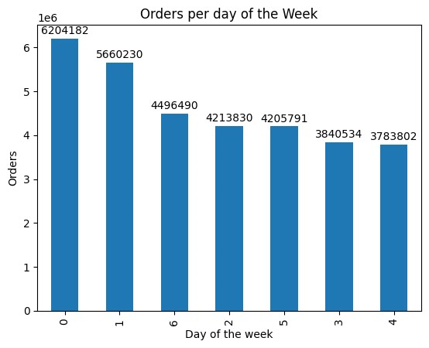
 |  |  | The explanation of the Busiest Days of the week:

 |  |  | The Bar Chart depicts the orders by the days of the week with x-axis corresponding to number of day of week
 |  |  | 0- Saturday
 |  |  | 1 - Sunday
 |  |  | 2- Monday
 |  |  | 3-Tuesday
 |  |  | 4-Wednesday
 |  |  | 5-Thursday
 |  |  | 6- Friday

 |  |  | Saturday is the Busiest day with most orders. The Busiest days within the week are Friday, Saturday and Sunday.
 |  |  | Weekend orders are higher than the weekday orders.

 | Busiest Hours of the Day

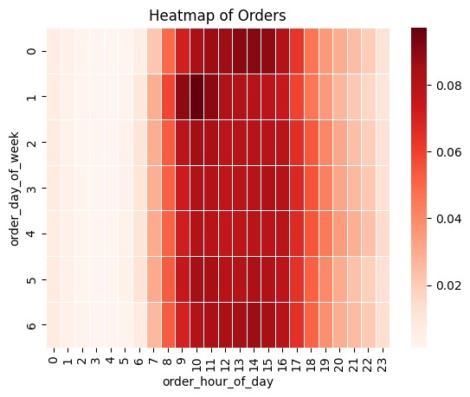

 |  |  |  |  |  |  |  | The Histogram chart shows the trend of the orders during the 24 hours of the Day

 |  |  |  |  |  |  |  | The busiest orders of the day are 10 AM - 12 PM.
 |  |  |  |  |  |  |  | Orders are generally higher from 8 AM - 5PM and the trend of orders falls after that time periods.

Question 2: | They also want to know whether there are particular times of the day when people spend the most money, as this might inform the type of products they advertise at these times.

 | Time of Day People Spend more

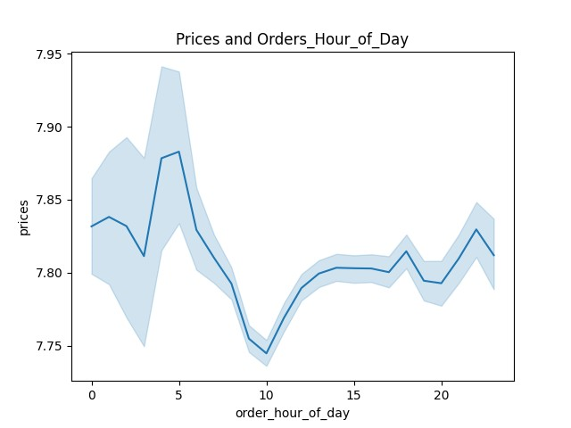
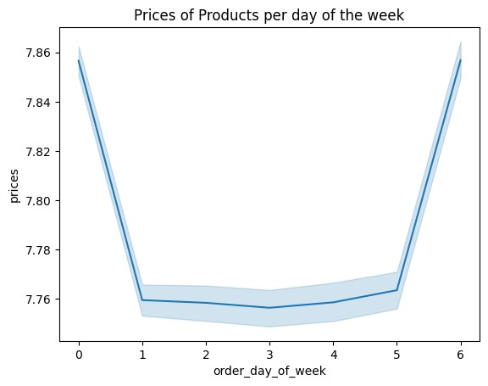
 |  |  |  |  |  |  |  | The line chart shows the x -axis as the number for hour in a 24-hour day and the y-axis shows the prices at that hour of the day

 |  |  |  |  |  |  |  | The peak hour for the orders where most money is spend is 4 AM.
 |  |  |  |  |  |  |  | The money spent during the whole day are around the price range of around 15 cents
 |  |  |  |  |  |  |  | Hence, orders correlated to money spent will not matter.

Question 3: | Instacart has a lot of products with different price tags. Marketing and sales want to use simpler price range groupings to help direct their efforts.

The price tags are grouped with 3 categories of High, Mid and Low Range product. This was done by using Prices column.
Range of Low-Range product is price <= 5, Mid Range product with prices between 5 and 15 and High Range product with prices > 15.

Question 4: | Are there certain types of products that are more popular than others? The marketing and sales teams want to know which departments have the highest frequency of product orders.

 |  |  | The Department numbers are as Follows:
 |  |  | dept_id | department
 |  |  | 1 | frozen
 |  |  | 2 | other |  |  | Based on the Bar chart, we can see Department 4 has lot of Products. i.e, - Produce.
 |  |  | 3 | bakery |  |  | Dairy, Eggs and Snacks form the most important products for departments since this form basic requirements for Shoppers.
 |  |  | 4 | produce
 |  |  | 5 | alcohol |  |  | I retained the small departments v/s making all those small valued departments into one bar to
 |  |  | 6 | international |  |  | show the variety of departments and also to retain the differences in order variety.
 |  |  | 7 | beverages
 |  |  | 8 | pets
 |  |  | 9 | dry goods pasta
 |  |  | 10 | bulk
 |  |  | 11 | personal care
 |  |  | 12 | meat seafood
 |  |  | 13 | pantry
 |  |  | 14 | breakfast
 |  |  | 15 | canned goods
 |  |  | 16 | dairy eggs
 |  |  | 17 | household
 |  |  | 18 | babies
 |  |  | 19 | snacks
 |  |  | 20 | deli
 |  |  | 21 | missing

Question 5a : | What’s the distribution among users in regards to their brand loyalty

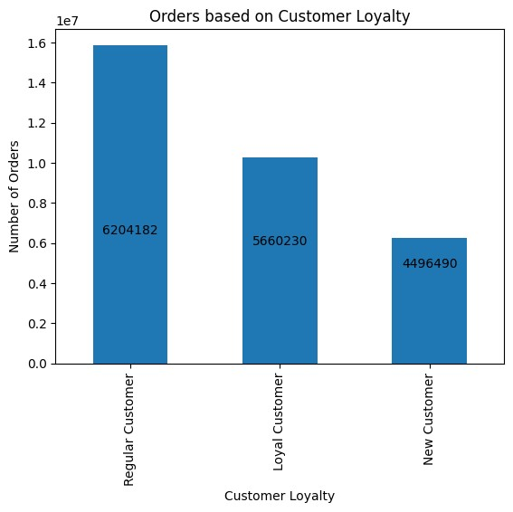
 |  |  |  | The bar chart shows the distribution of users based on their Loyalty
 |  |  |  | Based on the bar chart, we can see the orders of distribution are Regular , Loyal and New Customers
 |  |  |  | The Regular customers have more orders.

Question 5b: |  | Are there differences in ordering habits based on a customer’s loyalty status?
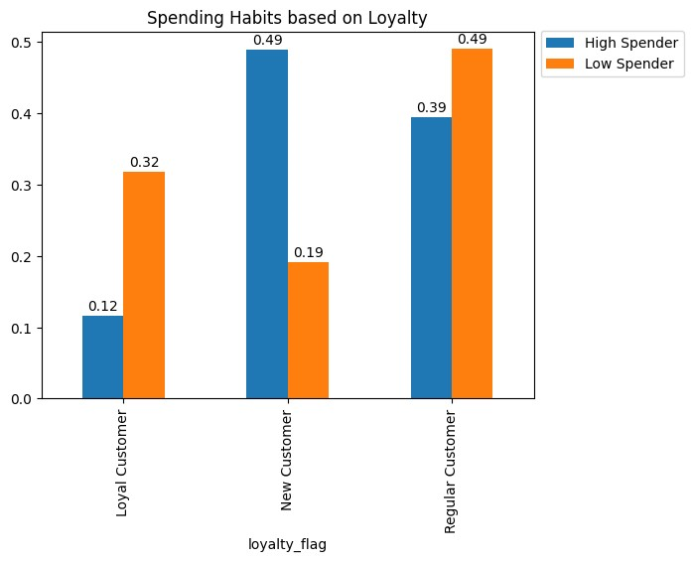

 |  |  |  |  | From the bar chart, we can see that the New Customers are High Spenders. Hence, the company
 |  |  |  |  | should target new customers by providing offers.

Question 5c | Are there differences in ordering habits based on a customer’s region?

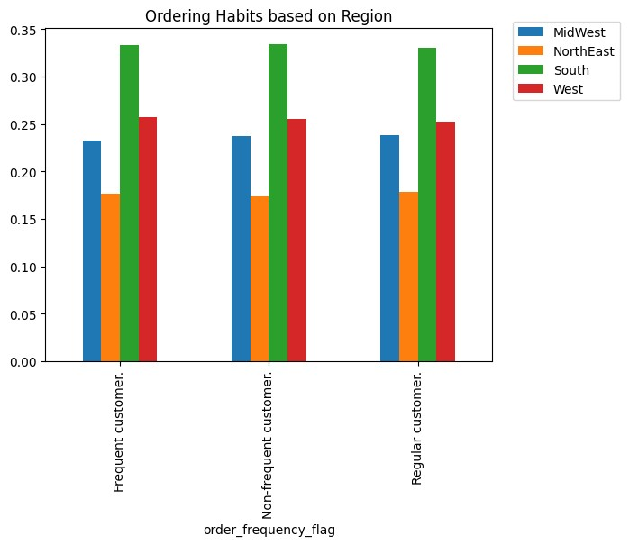

 |  |  |  |  |  | The Customers of the South and west Region constitute higher percentage
 |  |  |  |  |  | of customers in company. Company needs to target South and West regions.

Question 5d: | Is there a connection between age and family status in terms of ordering habits?

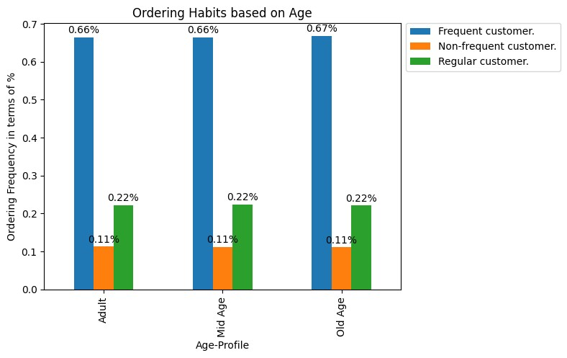

 |  |  |  |  |  |  | The Ordering Habits remain the same across age groups as seen in the bar chart.

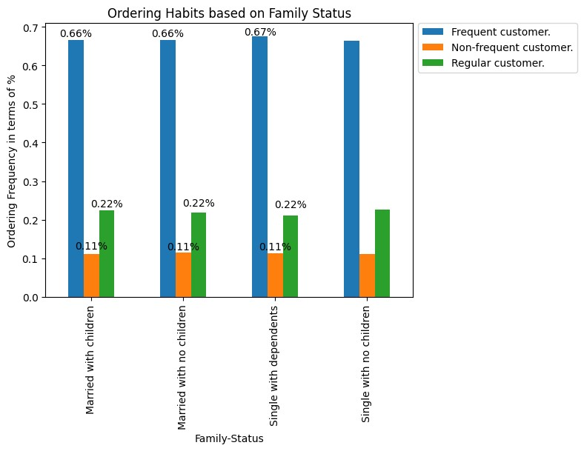
 |  |  |  |  |  |  | The Ordering habits remain the same % across the different family status.

Question 5e: | What different classifications does the demographic information suggest? Age? Income? Certain types of goods? Family status?

 |  | Age |  |  | Income

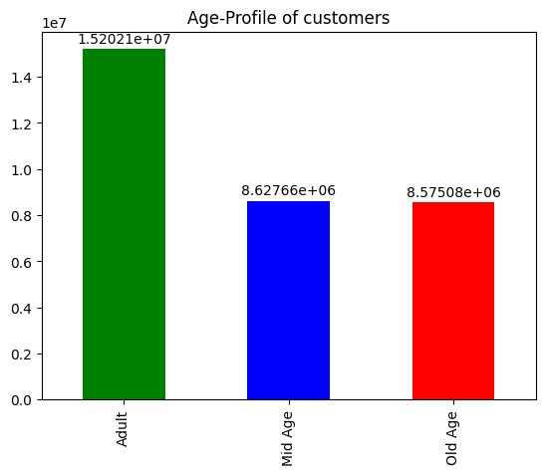
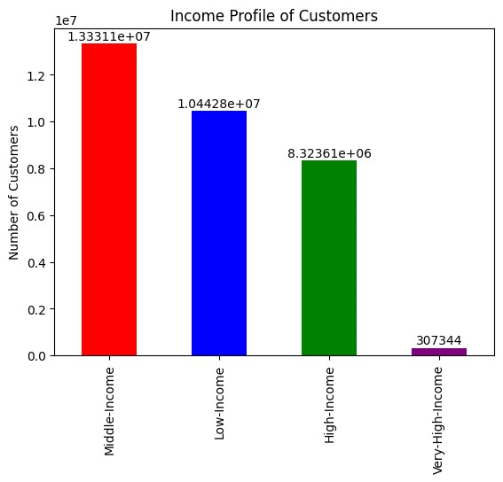

As we can see, lot of customers are in Adult region i.e, - Age between 35 and 64.

 |  |  |  |  | There are number of Middle-Income customers. Hence, the product pricing in the app seems to be
 |  |  |  |  | price sensitive.

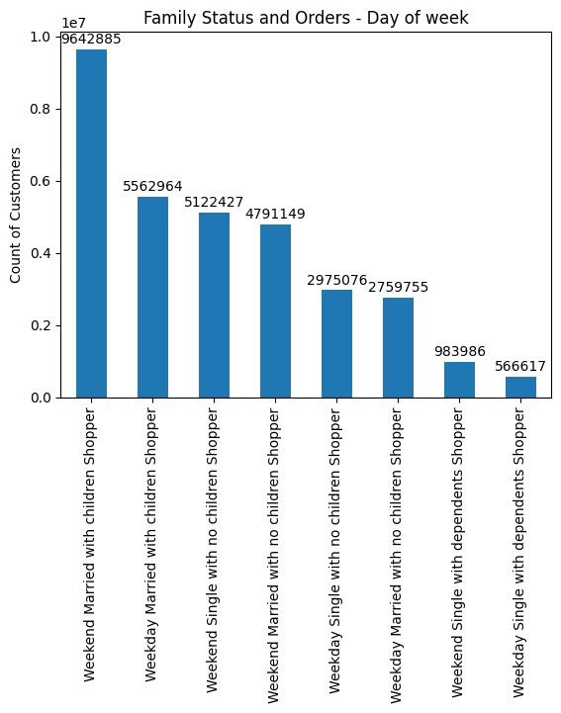
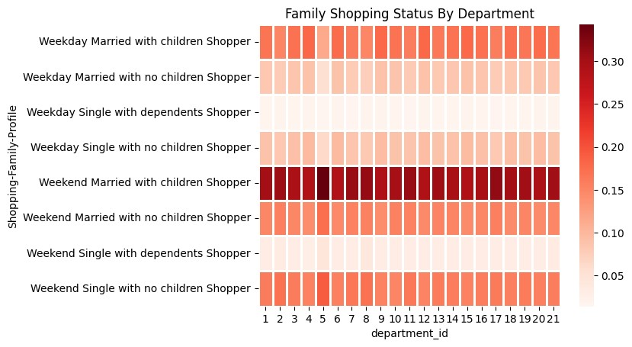

 |  |  |  |  | Analysis of the above family shopping pattern by departments.
 |  |  |  |  | 1) Weekday shoppers prefer ordering from department 12(Meat), 4(Produce) and 2(Other)
 |  |  |  |  | 2) Weekend Shoppers prefer ordering from department 4(Alcohol). Most people order alcohol for social occasions over the weekend.

Customers who are married with dependents order more on weekends. We will analyze further what products across
departments are ordered.

Question 6: | What differences can you find in ordering habits of different customer profiles?

 | Customer Profiles By Region

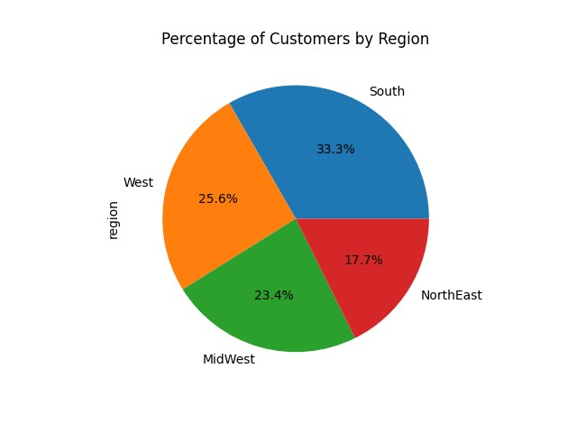

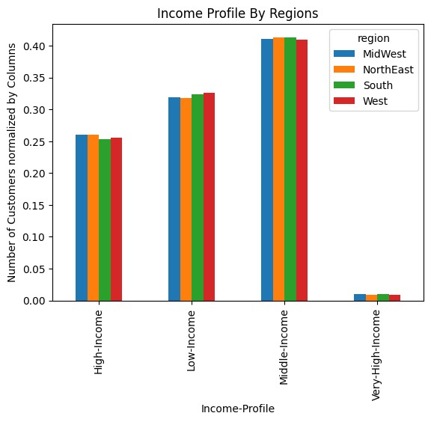
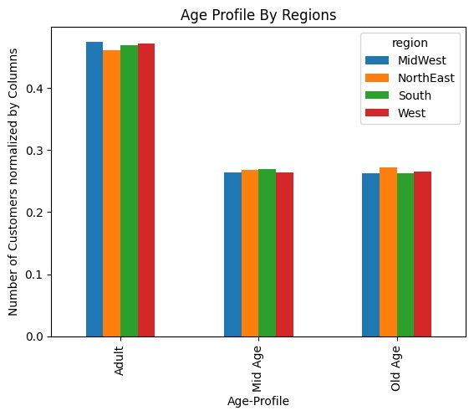

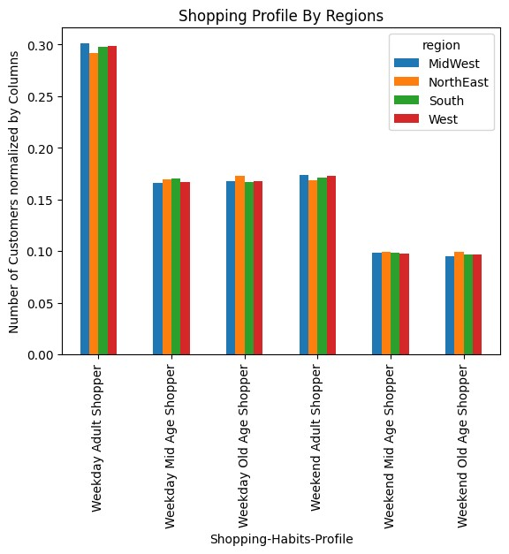
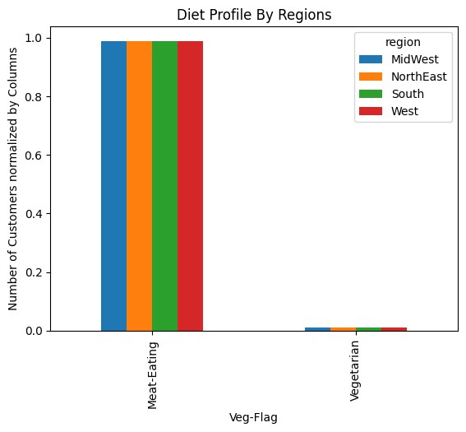

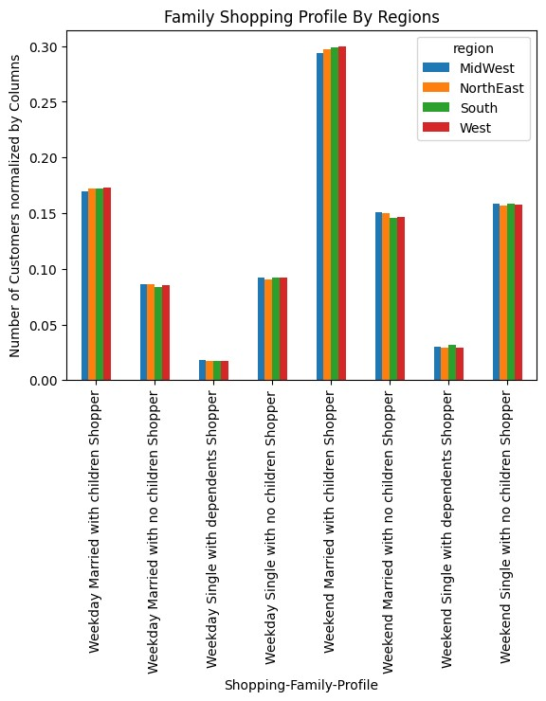

 |  |  |  |  |  | There are no major differences for the different parameters within Regions.

Customer Profiles by Department

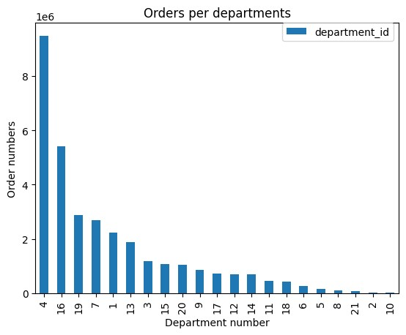

 |  |  |  |  |  | I retained the small departments v/s making all those small valued departments into one bar to
 |  |  |  |  |  | show the variety of departments and also to retain the differences in order variety.

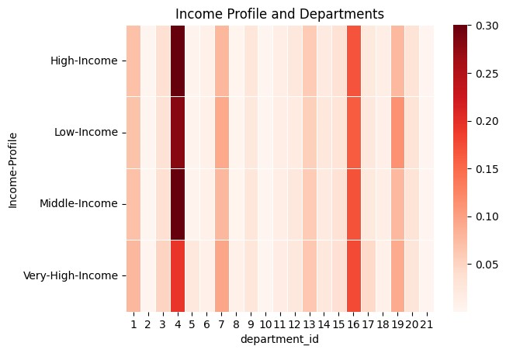
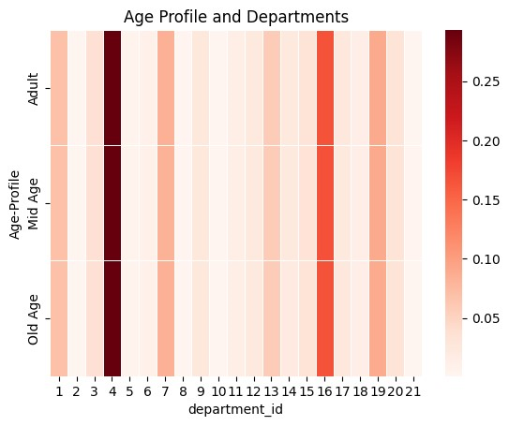

 |  |  |  |  |  |  | Some of the Analysis from the above crosstab are:
 |  |  |  |  |  |  | 1) Spending among departments are of similar percentages for High-income customers.
 |  |  |  |  |  |  | 2) Low-income customers spend more in departments 7(beverages), 10(bulk) and 19(snacks). This is expected, since people with low income prefer
 |  |  |  |  |  |  | ordering items in bulk and help in savings.
 |  |  |  |  |  |  | 3) Middle-income customers form most of the percentages of orders across departments.
 |  |  |  |  |  |  | 4) Very-high_income customers has highest percentage of orders in department 8 (pets). This forms a trend that Rich people having pets
 |  |  |  |  |  |  | orders more within the Pets department.
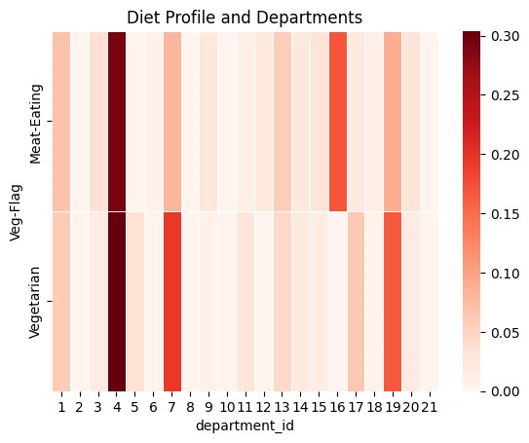

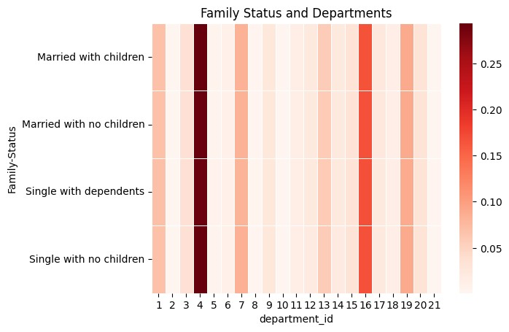

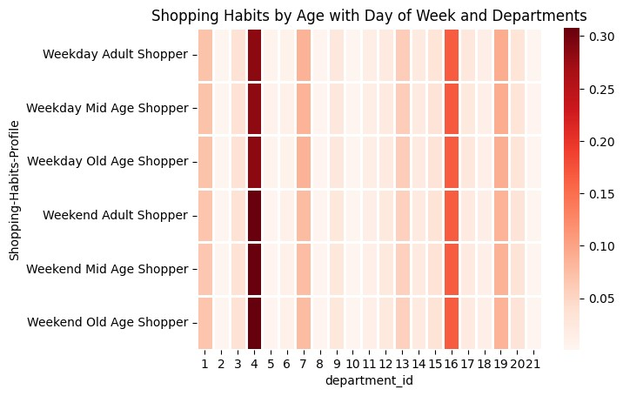
 |  |  |  |  | The Analysis for the Family status is as follows:
 |  |  |  |  | 1) Married With Children shoopers orders constitute most percentage of orders with most departments as this sector forms major customer base.
 |  |  |  |  | 2) Single people spend more on orders from Department 2(Other), 5(Alcohol) and 8(Pets)

 |  | The pattern of distirbution of orders across departments seem to be of similar percentages.
 |  | 1) Weekend Adult Shoppers prefer ordering from department 15(Canned Goods) and 4(Produce).
 |  | 2) Weekday Age Shoppers prefer 4(Produce).

7. Recommendations
 |  |  |  |  |  |  |  | Title page

Recommendations

In this tab you should include any recommendations you would made to Instcart in terms of their marketing strategy based on the questions posed in the brief. Every key question has been covered in the Tasks of the Exercises - here you need to add an item - a visualisation or table/crosstable that is showing the answer in the data, acompanied by a comment from you. Please, list the questions below and add the answer underneath.

Question
Key Question 1
 | The sales team needs to know what the busiest days of the week and hours of the day are (i.e., the days and times with the most orders) in order to schedule ads at times when there are fewer orders.

 | Busiest Days of the week

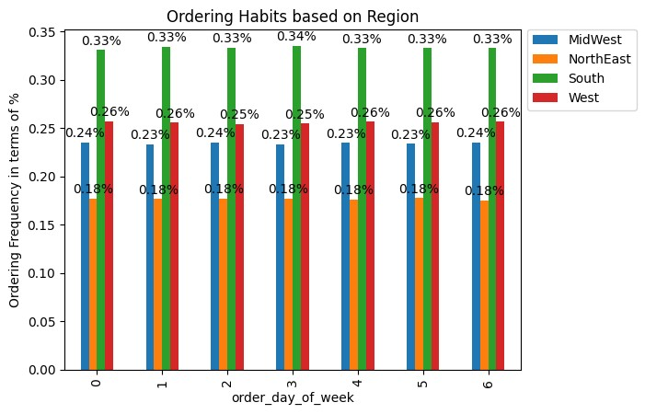

 | Busiest Hours of the Day

 | Recommendation

 | Customer Orders happen more on the Weekends. The Regions where the customer orders are highest in proportion to toal Customer orders of the company are in South and West Regions.
 | Hence, Company should target Customers of South and West Regions especially on the weekends by running a targeted marketing campaign.
 | In terms of the time of Orders, it seems 8 AM - 5 PM seems to be the peak time in term of Orders. The Weekends have a pattern of Customer Orders being maximum from 1 PM to 4 PM on Saturday
 | and 9AM - 11AM on Sunday. Hence, the company Inventory should be stocked in the departments where customer orders are higher.

Key Question 2 |  | They also want to know whether there are particular times of the day when people spend the most money, as this might inform the type of products they advertise at these times.

 | Recommendation

 | Weekend sales of products are more pricier than their weekday products. For daily times, Early morning and early evening sales seem to be higher.
 | Instacart should run sales on products during times of 5AM-7AM, 5PM-7PM to further increase the profit.
 | Targeted Sales of higher selling products on Weekends would drive the profit to next level.

Question 3: |  | Instacart has a lot of products with different price tags. Marketing and sales want to use simpler price range groupings to help direct their efforts.

 | The price tags are grouped with 3 categories of High, Mid and Low Range product. This was done by using Prices column.
 | Range of Low-Range product is price <= 5, Mid Range product with prices between 5 and 15 and High Range product with prices > 15.

Question 4: |  | Are there certain types of products that are more popular than others? The marketing and sales teams want to know which departments have the highest frequency of product orders.

 |  |  |  | The Department numbers are as Follows:
 |  |  |  | dept_id | department
 |  |  |  | 1 | frozen
 |  |  |  | 2 | other |  |  | Based on the Bar chart, we can see Department 4 has lot of Products. i.e, - Produce.
 |  |  |  | 3 | bakery |  |  | Dairy, Eggs and Snacks form the most important products for departments since this form basic requirements for Shoppers.
 |  |  |  | 4 | produce
 |  |  |  | 5 | alcohol |  |  | I retained the small departments v/s making all those small valued departments into one bar to
 |  |  |  | 6 | international |  |  | show the variety of departments and also to retain the differences in order variety.
 |  |  |  | 7 | beverages
 |  |  |  | 8 | pets
 |  |  |  | 9 | dry goods pasta
 |  |  |  | 10 | bulk |  |  | Recommendation
 |  |  |  | 11 | personal care
 |  |  |  | 12 | meat seafood |  |  | Products of Departments 4 and 16 i.e, - Produce and Eggs/Dairies should be stocked at all times as it forms
 |  |  |  | 13 | pantry |  |  | highest selling products across different departments of Instacart. Doing further Analysis and Data Mining
 |  |  |  | 14 | breakfast |  |  | on Customer preferences would be apt stategy for Instacart.
 |  |  |  | 15 | canned goods |  |  | Departments of Bulk,Other and Pets should revamp their Marketing strategy to reach to different Customers.
 |  |  |  | 16 | dairy eggs
 |  |  |  | 17 | household
 |  |  |  | 18 | babies
 |  |  |  | 19 | snacks
 |  |  |  | 20 | deli
 |  |  |  | 21 | missing

Question 5a : |  | What’s the distribution among users in regards to their brand loyalty

 |  |  |  |  | The bar chart shows the distribution of users based on their Loyalty
 |  |  |  |  | Based on the bar chart, we can see the orders of distribution are Regular , Loyal and New Customers
 |  |  |  |  | The Regular customers have more orders.
 |  |  |  |  | The Range of Customers are classified based on Orders:
 |  |  |  |  | Loyal Customer - Orders more than 40.
 |  |  |  |  | Regular Customers - Orders from 10 to 40.
 |  |  |  |  | New Customers - Orders less than 10.

 |  |  |  |  | Recommendation
 |  |  |  |  | Instacart should start subscription options for all customers with some targeted offers like discounts on memberships
 |  |  |  |  | for Regular and Loyal Customers.
 |  |  |  |  | Also, start a campaign to target new customers from other brands to Instacart with deep discount of Initial 3 Orders.

Question 5b: |  | Are there differences in ordering habits based on a customer’s loyalty status?

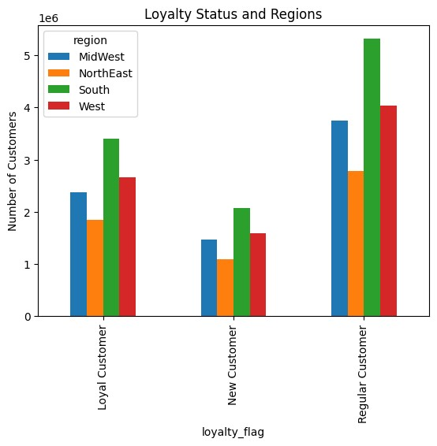

 |  |  |  |  |  | The Customers are generally higher in South and West Regions
 | From the bar chart, we can see that the New Customers are High Spenders.

 | Recommendation

 | Since New Customers are High Spenders and New Customers are majorly from South and West Regions, Instacart needs to target customers of those regions with
 | sales offers and discount programs. Regular customers from South and West regions should be analyzed further and provide targeted offers for them.

Question 5c |  | Are there differences in ordering habits based on a customer’s region?

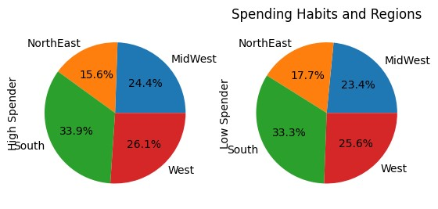

 |  |  |  |  |  |  | Customers from South and West are Higher spenders on Instacart Products.

The Customers of the South and west Region constitute higher percentage
of customers in company. Company needs to target South and West regions.

 | Recommendation

Instacart should have a separate strategy for Customers of South and West Regions. Doing a further analysis on county level
data would be beneficial. Company can have loyalty programs and offers on customers from those regions. This would help
the company retain the strong customer base.

Question 5d: |  | Is there a connection between age and family status in terms of ordering habits?

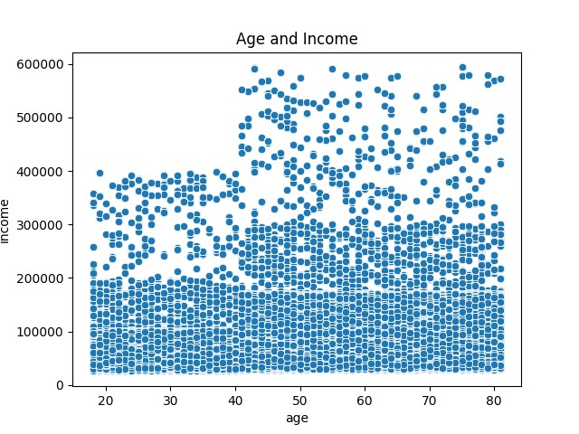

 | Recommendation

 | Age Profile after 40 years are frequent Customers of Instacart. These age groups have high-income.
 | Instacart should target offers for customers above Age 40

Question 5e: | What different classifications does the demographic information suggest? Age? Income? Certain types of goods? Family status?

 |  | Recommendation

 | As per the above analysis, we can see majority of Instacart customers are married with Children customers with age around 35 to 64. Company should
 | target offers for customers with bulk orders by providing a Free delivery for orders over a certain threshold price(>50$).
 | Offers for seasonal products like variety of Fruits and partnerships with local wineries would be helpful in attracting certain profile of shoppers and new customers
 | like New Customers and weekend Shoppers.

Question 6: | What differences can you find in ordering habits of different customer profiles?

 | Customer Profiles By Region

Customer Profiles by Department

 |  |  | Some of the Analysis from the above crosstab are:
 |  |  | 1) Spending among departments are of similar percentages for High-income customers.
 |  |  | 2) Low-income customers spend more in departments 7(beverages), 10(bulk) and 19(snacks). This is expected, since people with low income prefer
 |  |  | ordering items in bulk and help in savings.
 |  |  | 3) Middle-income customers form most of the percentages of orders across departments.
 |  |  | 4) Very-high_income customers has highest percentage of orders in department 8 (pets). This forms a trend that Rich people having pets

 |  |  |  |  |  |  | The Analysis for the Family status is as follows:
 |  |  |  |  |  |  | 1) Married With Children shoopers orders constitute most percentage of orders with most departments as this sector forms major customer base.
 |  |  |  |  |  |  | 2) Single people spend more on orders from Department 2(Other), 5(Alcohol) and 8(Pets)

 |  |  |  |  |  |  | The pattern of distirbution of orders across departments seem to be of similar percentages.
 |  |  |  |  |  |  | 1) Weekend Adult Shoppers prefer ordering from department 15(Canned Goods) and 4(Produce).
 |  |  |  |  |  |  | 2) Weekday Age Shoppers prefer 4(Produce).

 |  | Recommendation

 |  | Company should target Adult married customers with their preference of orders from Produce and Alcohol departments on weekends. These
 |  | customers can be given a discount or gift card to retain their loyalty with company. Low income customers should also be provided Coupons
 |  | within Bulk, beverage and Snack departments. Vegetarian customers should be offered more options for food in Non-meat departments.
 |  | The company should provide Customized options in their website/mobile app for set of Customers like Vegetarians, Customers with Pets and customers
 |  | of certain regions to provide local product options within the Regions.

